工作表2
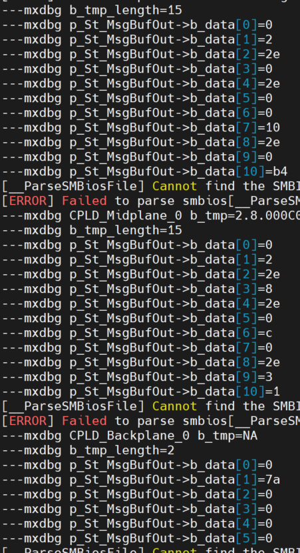
Here is OEM command to get MB CPLD version>>
//0x30 0x68 0x28 0x03 Return CPLD firmware version (cpld[5], cpld[6], cpld[7])

Adding parameter to get different CPLD is easier.
//0x30 0x68 0x28 0x03 sel
sel
// 0: MB CPLD | BMC | ---> | MB CPLD |  |  | SSW/SSG
// 1: MP CPLD |  | read_mb_ufm_header
// 2: BP CPLD |  | PltSPICPLD_FlashRead
SSW>> | BMC | ---> | MP CPLD | ---> | BP CPLD | SSG
/tmp # cat fwinventory |  | read_ufm_header(0x03, 0x80, &header[0]);
BMC=99.99.01 |  | i2c bus=3 0x80 0x01 0x7f
Backup_BMC=99.99.80 | BMC | ---> | BP CPLD |  |  | SSW
Golden_BMC=99.99.80 |  | read_ufm_header(0x06, 0x64, &header[0]);
Staging_BMC=99.99.01 |  | i2c bus=6 0x66 0x01 0x07
BIOS=BIOS Date: 08/09/2021 Ver 2.0
Backup_BIOS=BIOS Date: 08/09/2021 Ver 2.0 | BYTE TwoCharToOneHex (BYTE MSB, BYTE LSB) {
Golden_BIOS=BIOS Date: 08/09/2021 Ver 2.0 | if (MSB > '9') MSB += 9; // Convert MSB value to a contiguous range (0x30..0x?F)
Staging_BIOS=BIOS Date: 08/09/2021 Ver 2.0 | if (LSB > '9') LSB += 9; // Convert LSB value to a contiguous range (0x30..0x?F)
CPLD_Motherboard=2.0.000000.0004 | return (MSB <<4) | (LSB & 0x0F); // Make a result byte using only low nibbles of MSB and LSB
CPLD_Backplane_0=2.4.030040.0003 | }
NVMeController1=03

[read_ufm_header] UFM_GUID_IN_FLASH: 53-20-0c-7e 00-18-72-ee 00-00-00-03 24-03-00-40
“Division_ID”.”Board_Type”.”Unique_CPLD-ID”.”CPLD Sub-revision ID”

if ( sel == 2 ) {
UtilConfigRead(FW_INVENTORY_FILE, "CPLD_Backplane_0", b_tmp, 32);
console_log("---mxdbg b_tmp=%s \n", b_tmp);

